Requirements
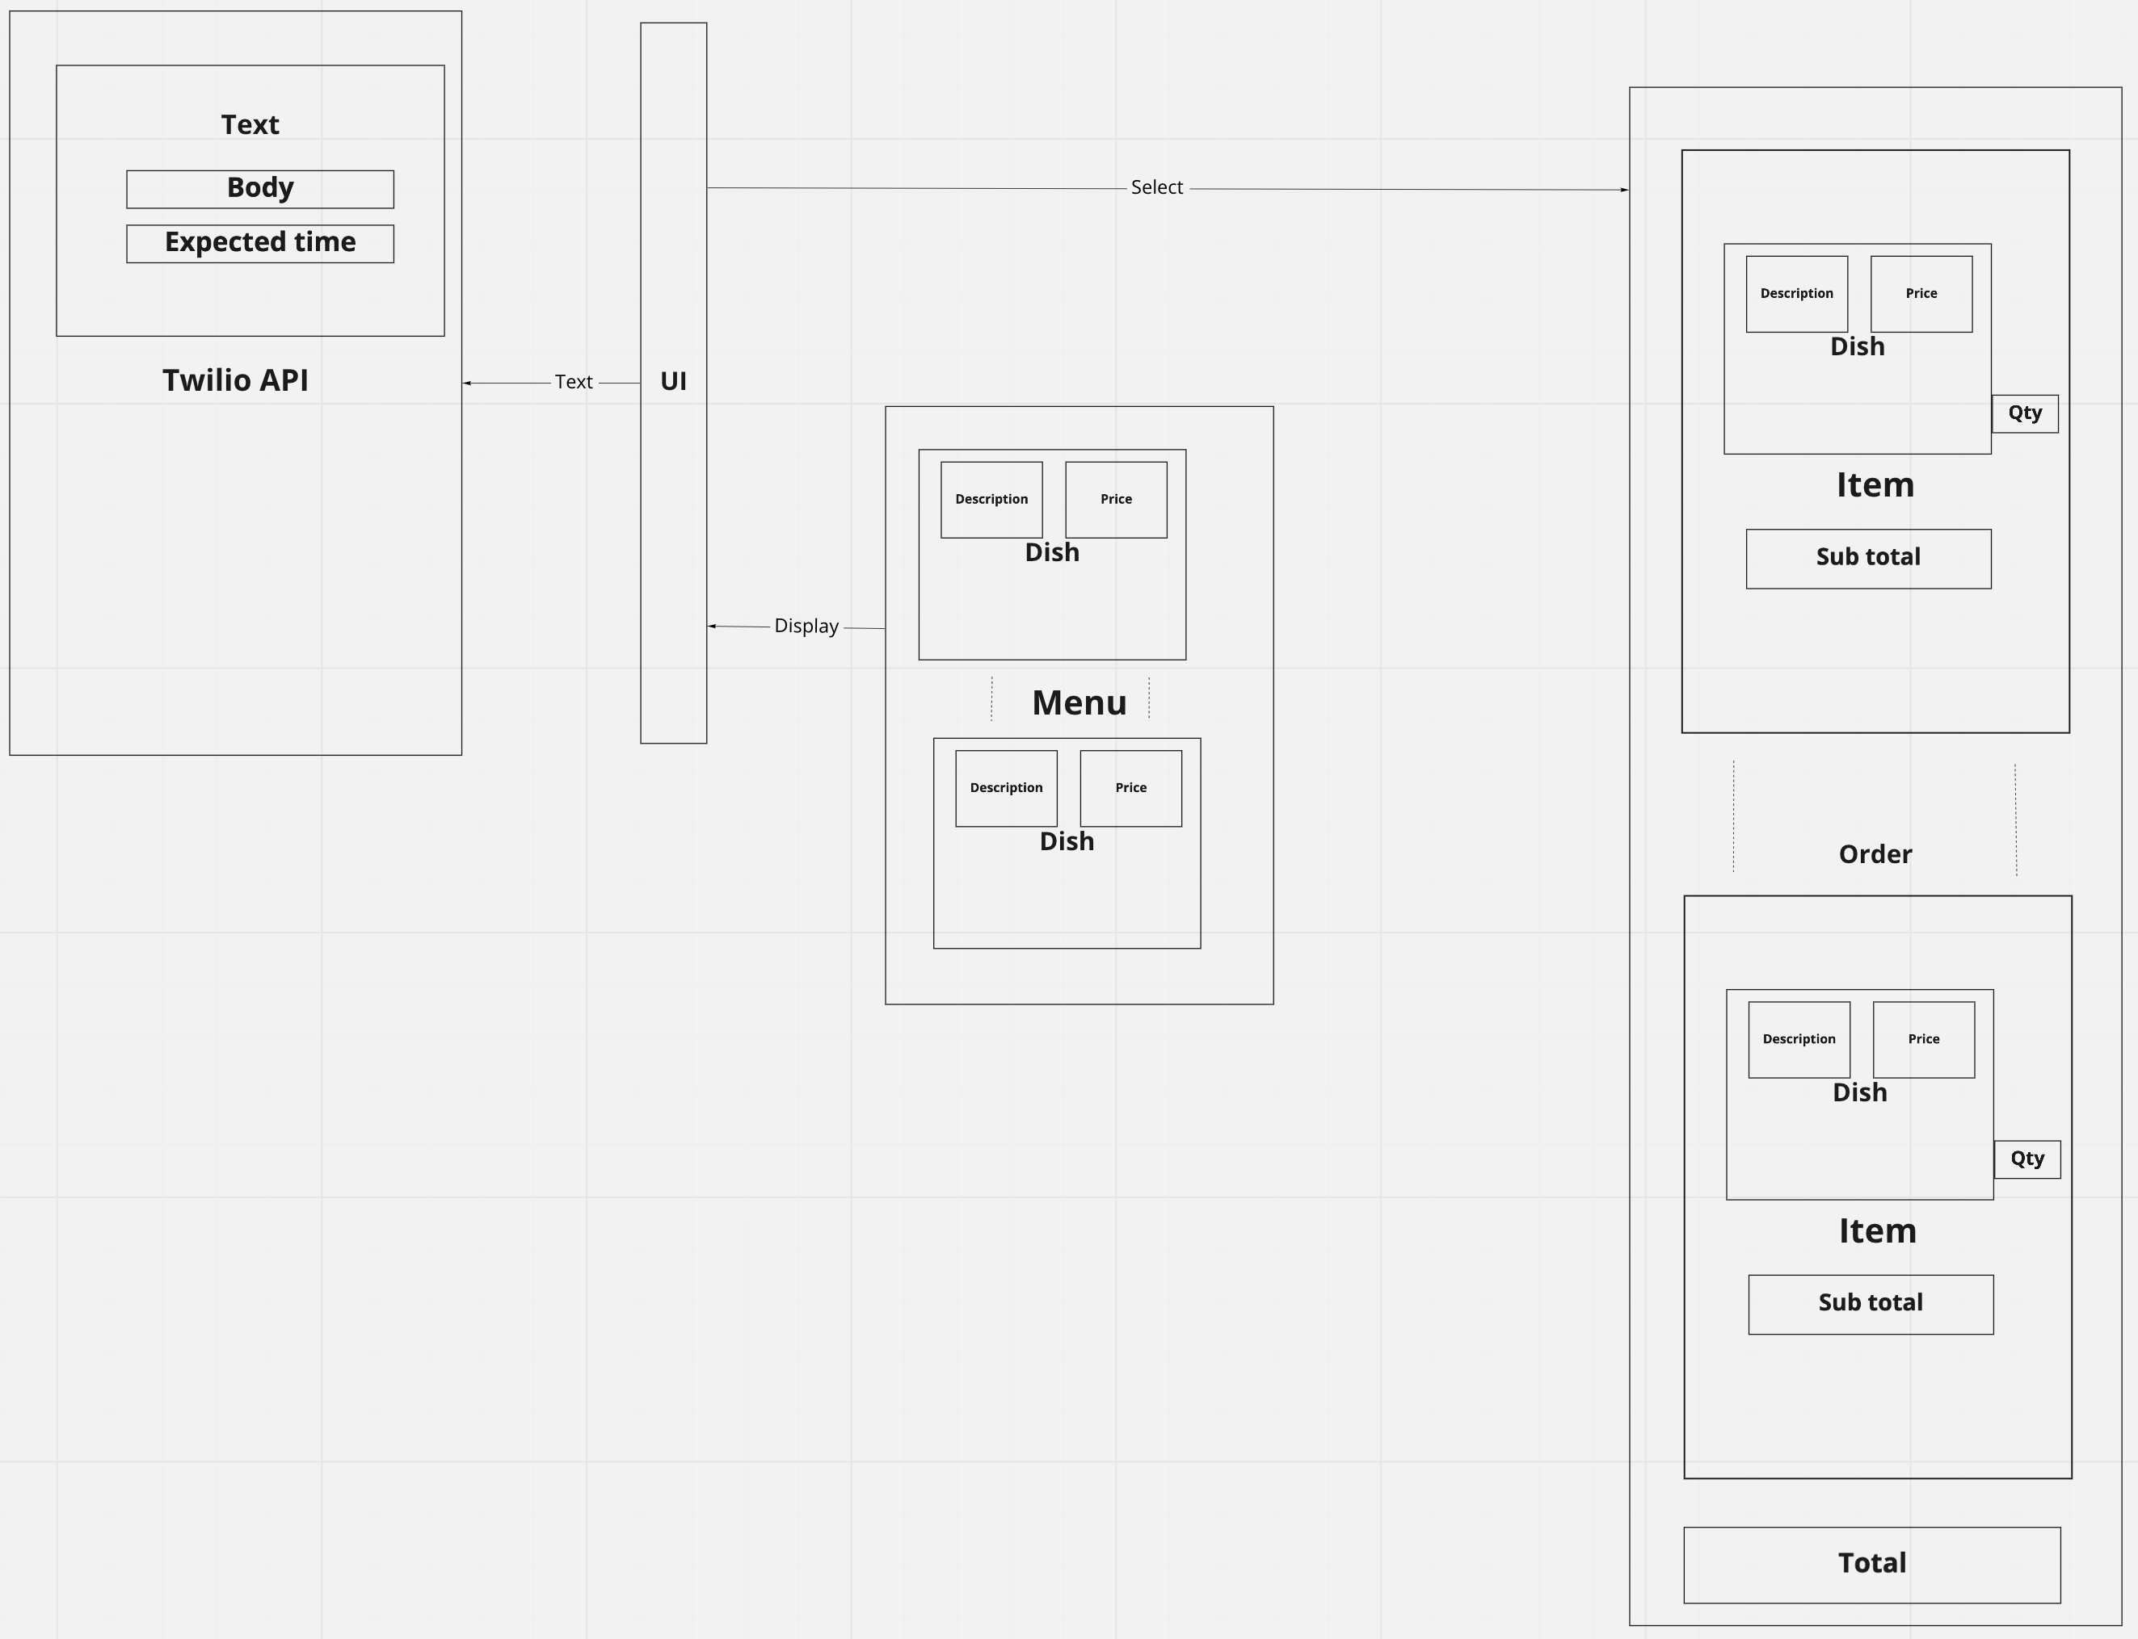
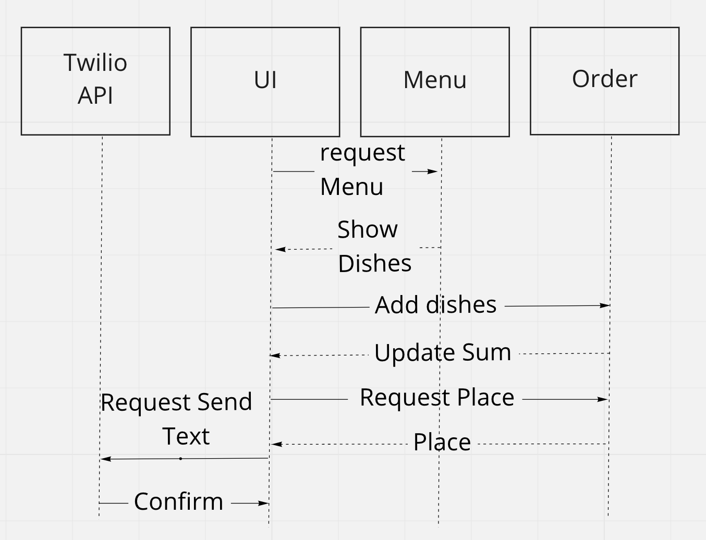
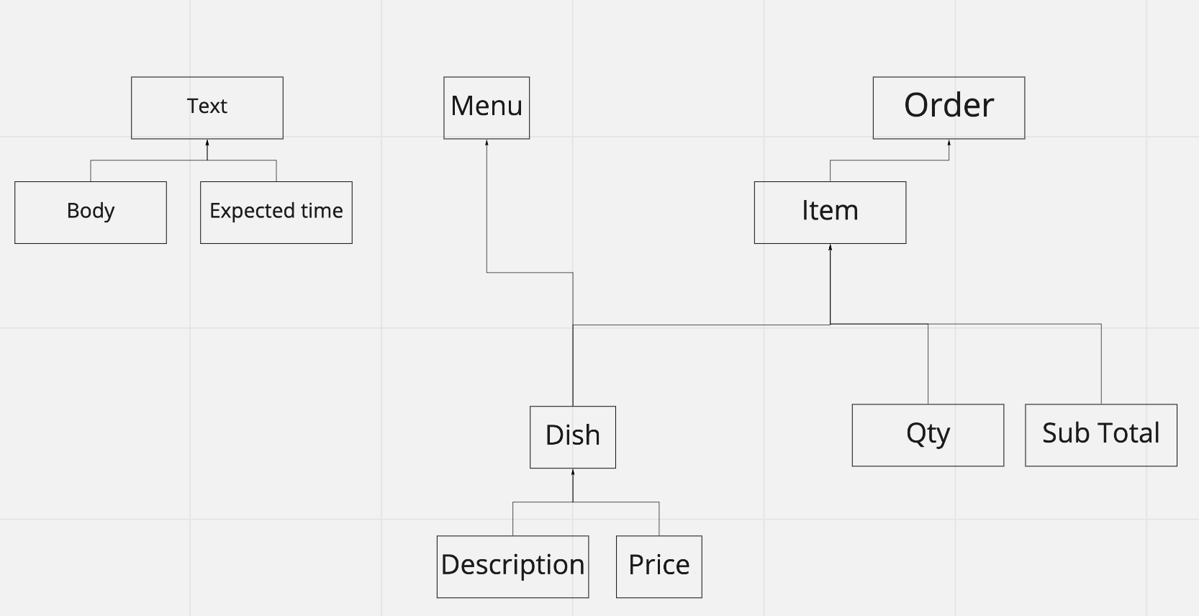
 |  |  |  | Unit
 | Action | what | condition | From | To | Expect
As a customer | show | list of dishes |  | Menu | UI | list of Dishes
So that I can check if I want to order something
I would like to see a list of dishes with prices

As a customer | select | available dishes |  | UI | Order | list of selected dishes
So that I can order the meal I want
I would like to be able to select some number of several available dishes

As a customer | provide | sum mateches number of ordered dishes |  | Order | UI | sum
So that I can verify that my order is correct
I would like to check that the total I have been given matches the sum of the various dishes in my order

As a customer | text | Twilio API | after ordered | UI | Twilio | message
So that I am reassured that my order will be delivered on time
I would like to receive a text such as "Thank you! Your order was placed and will be delivered before 18:52" after I have ordered

Enhanced
